Dunne, Zheng
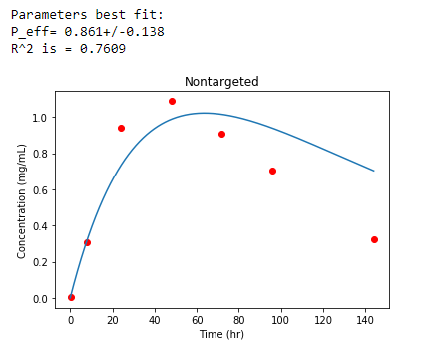
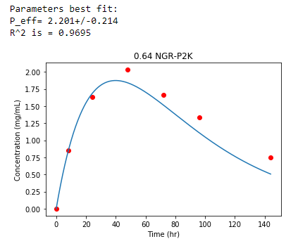
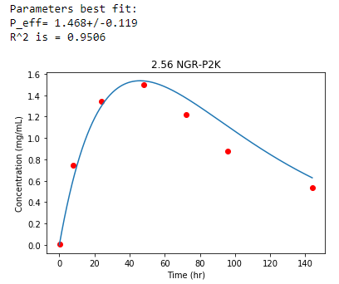
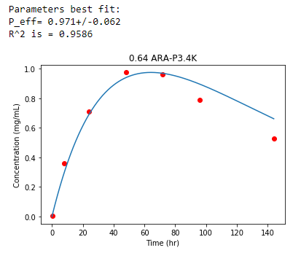
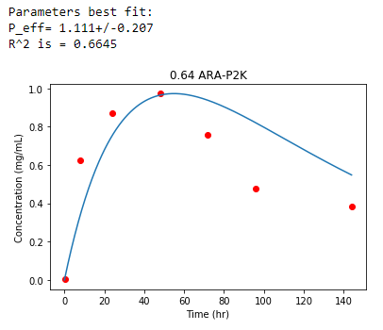
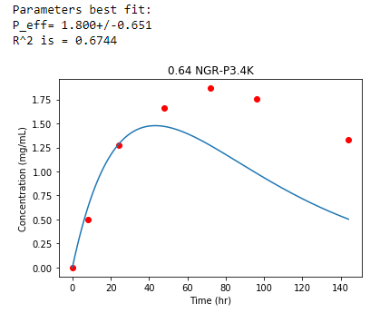
Dunne, Zheng |  |  | 0.4 | mg I / g BW
 |  | assume | 20 | mg mouse | 8 | mg = 100% ID

Plasma PK
 | mg/mL
t (hr) | Nontargeted | 0.64 NGR-P2K | 2.56 NGR-P2K | 0.64 NGR-P3.4K | 0.64 ARA-P2K | 0.64 ARA-P3.4K
exp | 0.0259 | 0.0284 | 0.0308 | 0.0291 | 0.0278 | 0.0234
Co | 5.319 | 5.817 | 6.329 | 5.203 | 4.4828 | 4.3885

Tumor accumulation
 | mg/mL
t (hr) | Nontargeted | 0.64 NGR-P2K | 2.56 NGR-P2K | 0.64 NGR-P3.4K | 0.64 ARA-P2K | 0.64 ARA-P3.4K
0.17 | 0.0033688 | 0.0033688 | 0.0033688 | 0.0033688 | 0.0033688 | 0.0033688
8 | 0.30992 | 0.852 | 0.74776 | 0.49512 | 0.62264 | 0.36112
24 | 0.9432 | 1.6336 | 1.3408 | 1.2768 | 0.8704 | 0.70832
48 | 1.088 | 2.0312 | 1.4992 | 1.6576 | 0.9728 | 0.976
72 | 0.9096 | 1.6608 | 1.2224 | 1.8664 | 0.75888 | 0.9616
96 | 0.704 | 1.3336 | 0.876 | 1.7512 | 0.47624 | 0.78936
144 | 0.32672 | 0.75112 | 0.53896 | 1.3272 | 0.38232 | 0.5268

Cabral, Matsumoto
Tumor accumulation |  |  |  |  |  |  |  |  | Plasma PK
 | iD%/g tissue
Figure 2d | BxPC3 pancreatic tumor |  |  |  |  |  |  |  |  | Exponent | Kd
 | Time (h) | 30 nm | 50 nm | 70 nm | 90 nm |  |  |  | 30 nm | 0.07247 | 13.798813302
1 | 0.93075797483 | 2.0995024876 | 2.2736318408 | 1.8507462687 | 1.4527363184 |  |  |  | 50 nm | 0.0869 | 11.507479862
4 | 3.9384255195 | 6.7263681592 | 3.144278607 | 2.5970149254 | 2.0248756219 |  |  |  | 70 nm | 0.09146 | 10.933741526
8 | 7.927421715 | 8.2437810945 | 5.4825870647 | 3.144278607 | 3.6666666667 |  |  |  | 90 nm | 0.10566 | 9.4643195154
24 | 24.014866842 | 10.855721393 | 6.9004975124 | 4.2388059701 | 3.9402985075
Figure 2b | C26- colon tumor
1 | 0.95761934983 | 1.8850574713 | 2.275862069 | 3.4482758621 | 2.0229885057
4 | 3.8911219237 | 4.3448275862 | 6.0459770115 | 5.7471264368 | 3.1494252874
8 | 7.8265284536 | 5.9770114943 | 6.5517241379 | 7.5862068966 | 5.724137931
24 | 23.722163458 | 10.229885057 | 9.1954022989 | 9.9770114943 | 8.3218390805

Traits of Dose
8000 ug/kg |  |  | 200 ug total

BxPC3

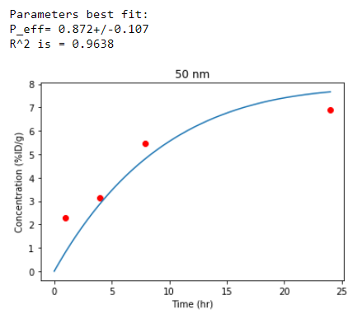
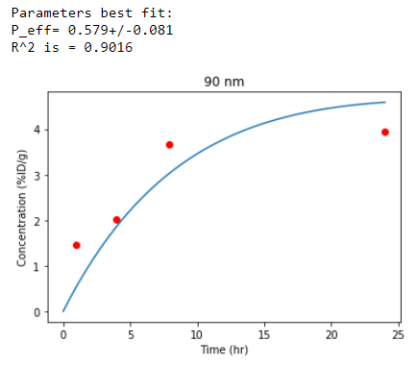
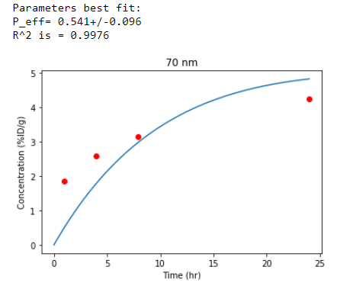
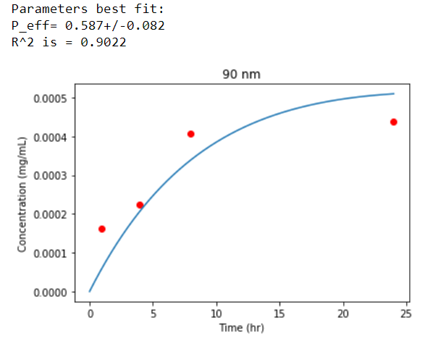
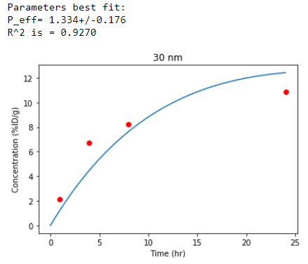

C26

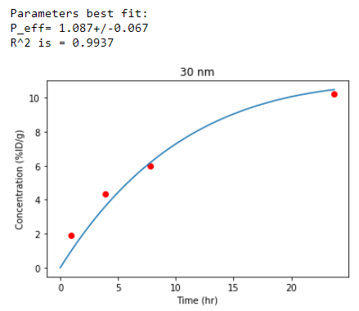
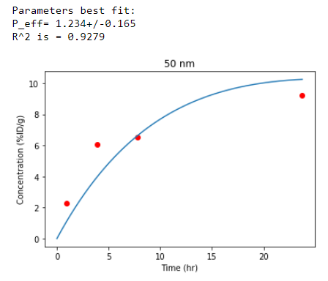
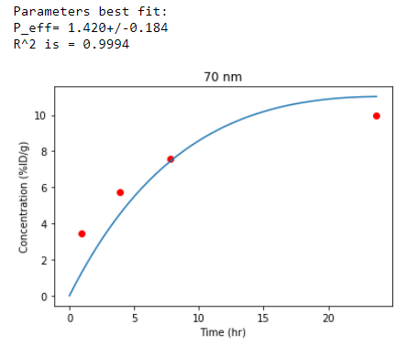
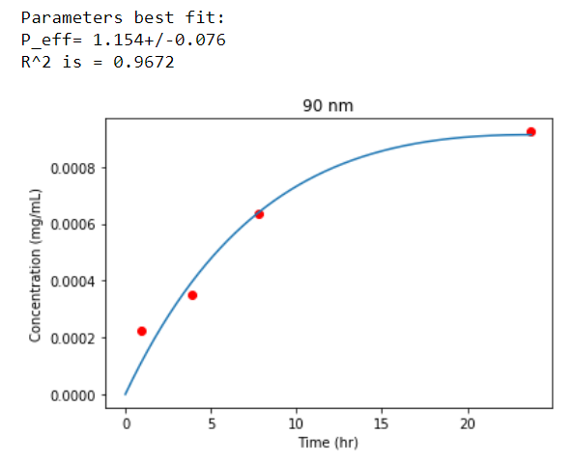
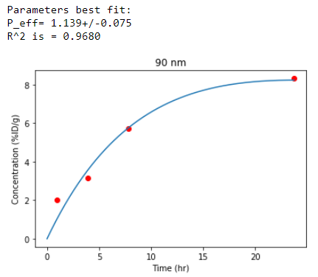

 | Error bars
 | C26
 |  | 30 nm |  | 50 nm |  | 70 nm |  | 100 nm |  | 30 nm |  | 50 nm | 70 nm | 100 nm
 | 1.0411 | 1.969 | 1.0137 | 2.30968 | 0.9863 | 3.44531 | 0.9863 | 2.09516 |  | 0 |  | 0.54259 | 0.30284 | 0
 | 1.0411 | 1.969 | 1.0137 | 2.85227 | 0.9863 | 3.74815 | 0.9863 | 2.09516
 | 4 | 4.36803 | 3.9726 | 6.0084 | 3.9726 | 5.74341 | 3.9726 | 3.13143 |  | 0.80757 |  | 0.82019 | 0.44164 | 0.55519
 | 4 | 5.1756 | 3.9726 | 6.82859 | 3.9726 | 6.18505 | 4 | 2.57624
 | 8 | 5.90957 | 8 | 6.50263 | 7.9726 | 7.51208 | 8 | 5.69506 |  | 0.82019 |  | 0.78232 | 0.51735 | 0.69401
 | 8 | 6.72976 | 7.9726 | 7.28495 | 7.9726 | 8.02943 | 8 | 5.00105
 | 24.0274 | 10.11989 | 24.0274 | 9.12304 | 24.0274 | 9.89276 | 24.0274 | 8.25238 |  | 1.70347 |  | 0.56782 | 1.80442 | 1.82965
 | 24.0274 | 11.82336 | 24.0274 | 8.55522 | 24.0274 | 11.69718 | 24.0274 | 6.42273

 |  | 30 nm | 50 nm | 70 nm | 100 nm
 | 1 | 0 | 0.54259 | 0.30284 | 0
 | 4 | 0.80757 | 0.82019 | 0.44164 | 0.55519
 | 8 | 0.82019 | 0.78232 | 0.51735 | 0.69401
 | 24 | 1.70347 | 0.56782 | 1.80442 | 1.82965

 | BxPc3
 |  | 30 nm |  | 50 nm |  | 70 nm |  | 100 nm |  | 30 nm |  | 50 nm | 70 nm | 100 nm
 | 0.91995 | 2.09856 | 0.91995 | 2.28542 | 0.94701 | 1.83984 | 0.8929 | 1.43737 |  | 0.01438 |  | 0.5462 | 0.77618 | 0.67556
 | 0.91995 | 2.11294 | 0.91995 | 2.83162 | 0.94701 | 1.06366 | 0.91995 | 0.76181
 | 3.95039 | 6.69815 | 3.95039 | 3.14784 | 3.95039 | 2.55852 | 3.95039 | 2.01232 |  | 0.01438 |  | 1.2074 | 0 | 0.71869
 | 3.95039 | 6.71253 | 3.95039 | 4.35524 | 3.95039 | 2.55852 | 3.92334 | 1.29363
 | 7.9549 | 8.23614 | 7.92785 | 5.46201 | 7.9549 | 3.13347 | 7.9549 | 3.62218 |  | 0.90554 |  | 1.03491 | 0.84805 | 1.13553
 | 7.9549 | 9.14168 | 7.92785 | 6.49692 | 7.9549 | 2.28542 | 7.9549 | 2.48665
 | 23.97294 | 10.90965 | 24 | 6.91376 | 23.97294 | 4.22587 | 23.97294 | 3.92402 |  | 1.39425 |  | 1.65298 | 1.35113 | 1.96919
 | 24 | 12.3039 | 23.97294 | 8.56674 | 23.97294 | 2.87474 | 23.97294 | 1.95483

 |  | 30 nm | 50 nm | 70 nm | 100 nm
 | 1 | 0.01438 | 0.5462 | 0.77618 | 0.67556
 | 4 | 0.01438 | 1.2074 | 0 | 0.71869
 | 8 | 0.90554 | 1.03491 | 0.84805 | 1.13553
 | 24 | 1.39425 | 1.65298 | 1.35113 | 1.96919

Ekdawi, Stewart
 |  |  |  |  |  | IODINE |  |  | 1.22 mg lipid/g mouse, 0.7 mg Iodine /g mouse |  | 17.5 | mg Iodine is 100% ID | Iohexol MW | 821 | g/mol
Injected 0.7 mg Iodine per g mouse |  |  | assume | 25 | g mouse | 17.5 | mg total |  | injected 2 ug GH680 per g mouse | 50 | ug total |  | Iodine content | 380.7 | g/mol
 |  |  |  | 1.5 | mL blood | 11.666666667 | mg/mL |  |  | 33.333333333 | ug/mL?? |  |  | 46%
 |  |  |  |  | IOHEXOL | 25.159793363 | mg/mL | since 46% Iodine mass in Iohexol
 |  |  |  |  | IOHEXOL | 25.277777778 | mg/mL | in paper
 |  |  |  | 100% ID Iohexol |  | 37.739690045 | mg

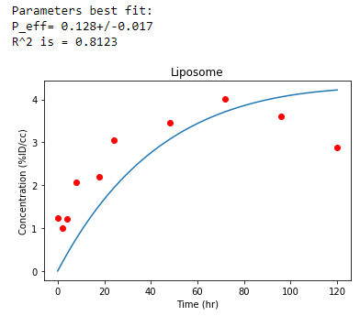
Tumor accumulation |  | Plasma PK
time(hr) | %ID/cc | exp | 0.02
0.17 | 1.2293 | C0 | 53.559881677 | %ID/cc
2 | 0.9999
4 | 1.2227
8 | 2.0697
18 | 2.2029
24 | 3.0433
48 | 3.4497
72 | 4.0217
96 | 3.6
120 | 2.8726

3HM U87
Glioblastoma - U87 Xenograft |  |  |  | Ferrara group J. of Cont. Rel 2015 |  |  |  | http://dx.doi.org/10.1016/j.jconrel.2015.09.057

Injected dose: 14.4 mg/kg = ug/g |  |  |  | Rat wt = 294 g |  | Total dose | 4233.6 | ug

Plasma PK
 |  | 3HM | Liposome
 | exp | 0.04461 | 0.04206
 | Co | 0.272305152 | 0.258418944

Tumor accumulation
 |  | ug/uL |  |  | Error
 | t | 3HM | Liposome |  | 3HM | Liposome
 | 0.5 | -5.4627096774E-05 | -5.4627096774E-05 |  | 0 | 0
 | 3.5 | 0.0091227251613 | 0.0034688206452 |  | 0.00069649548797 | 0.0049164386988
 | 7 | 0.01592379871 | 0.0057631587097 |  | 0.0039331509759 | 0.0032776258133
 | 21 | 0.02608443871 | 0.013465579355 |  | 0.0067191328855 | 0.0047115871145

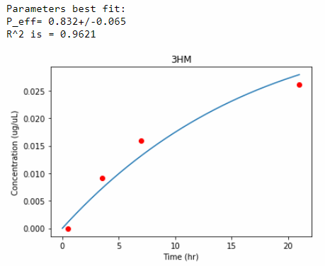
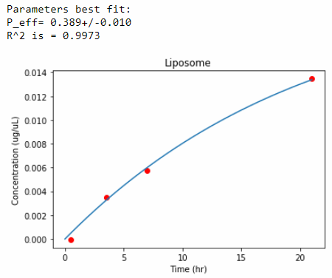

 |  | Refit using SD values of y-data
 |  | Error bar at t = 0 made up and set to "0.001"
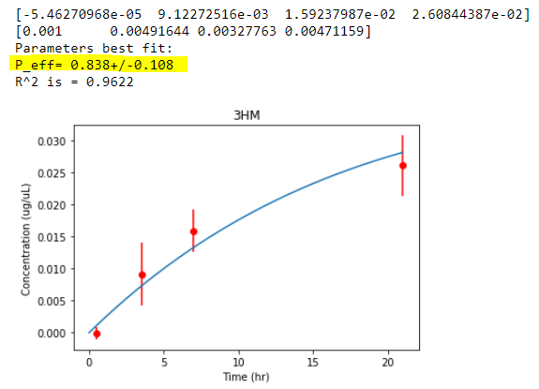
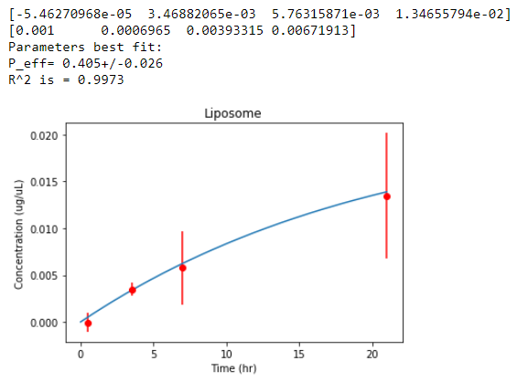

 |  | Setting error bar at t=0 to be "0.0001" causes failure of fitting

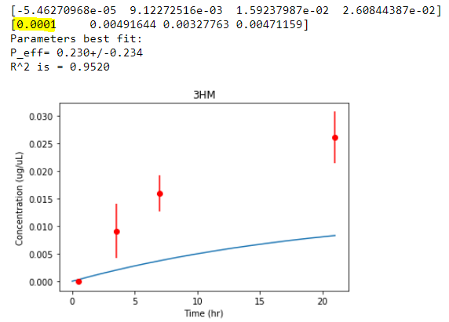
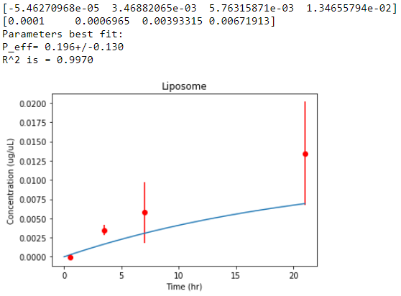

 |  |  | Difference in Peff of with and without SD
 |  |  |  | Without SD |  | With SD |  |  | Difference |  | % difference
 |  |  |  | Peff | Error | Peff | Error |  | Peff | Error | Peff | Error
 |  |  | 3HM | 0.832 | 0.065 | 0.838 | 0.108 |  | 0.006 | 0.043 | 1% | 40%
 |  |  | Liposome | 0.389 | 0.01 | 0.405 | 0.026 |  | 0.016 | 0.016 | 4% | 62%

Nikhil
NDL Breast |  | N Dube et al, Biomacromol 2014

Injected dose: 27.2 mg/kg = 27.2 ug/g |  |  |  | Total dose | 680 | ug

PK in blood |  | C18 data |  |  | C18 data |  |  | C16 data |  | C16 data
 | Time (hr) | %ID/cc | mg/mL |  | Error | mg/mL |  | %ID/cc | mg/mL | Error | mg/mL
 | 0.5 | 53.329070103 | 0.3626376767 |  | 3.84644 | 0.026155792 | 0.5 | 52.68774096 | 0.35827663853 | 2.94901 | 0.020053268
 | 3 | 42.551911997 | 0.28935300158 |  | 2.17947 | 0.014820396 | 3 | 35.116060284 | 0.23878920993 | 2.17947 | 0.014820396
 | 6 | 39.465477062 | 0.26836524402 |  | 0.89743 | 0.006102524 | 6 | 28.824209407 | 0.19600462396 | 0.641022 | 0.0043589496
 | 24 | 25.689813135 | 0.17469072932 |  | 1.79455 | 0.01220294 | 24 | 11.843744428 | 0.080537462107 | 0 | 0
 | 48 | 14.58737879 | 0.099194175772 |  | 1.79455 | 0.01220294 | 48 | 5.7409718934 | 0.039038608875 | 0 | 0

Tumor |  | C18 data |  |  | C18 data |  |  | C16 data |  | C16 data
 | Time (hr) | %ID/cc | mg/mL |  | Error | mg/mL |  | %ID/cc | mg/mL | Error | mg/mL
 | 0.5 | 2.4382022472 | 0.016579775281 |  | 0.382022 | 0.0025977496 | 0.5 | 2.4831460674 | 0.016885393258 | 0.449438 | 0.0030561784
 | 3 | 3.7528089888 | 0.025519101124 |  | 0.505618 | 0.0034382024 | 3 | 4.1685393258 | 0.028346067416 | 0.404494 | 0.0027505592
 | 6 | 4.2247191011 | 0.028728089888 |  | 0.483146 | 0.0032853928 | 6 | 4.9325842697 | 0.033541573034 | 0.314607 | 0.0021393276
 | 24 | 6.3595505618 | 0.04324494382 |  | 1.01124 | 0.006876432 | 24 | 5.797752809 | 0.039424719101 | 0.662921 | 0.0045078628
 | 48 | 5.3033707865 | 0.036062921348 |  | 0.606742 | 0.0041258456 | 48 | 3.7191011236 | 0.02528988764 | 0.573034 | 0.0038966312

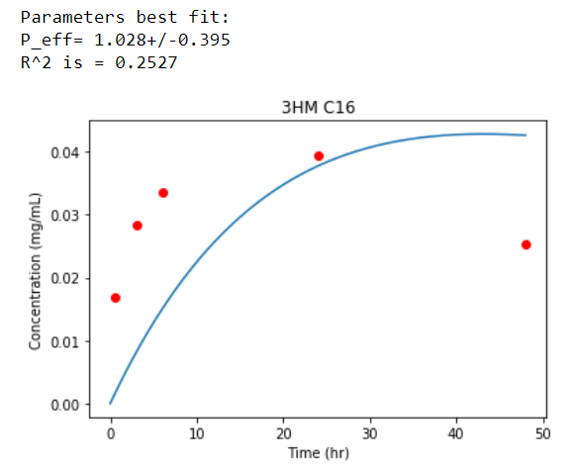
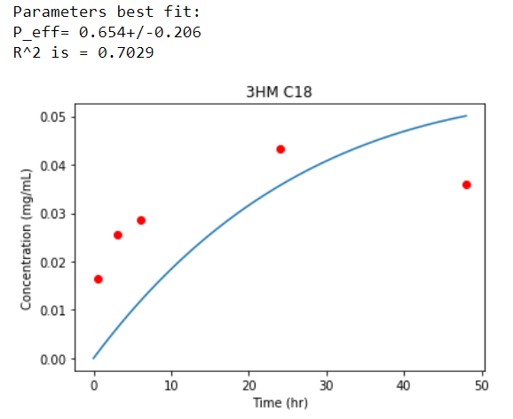

%ID/cc values
 | 1 | 1

Dreher, Liu
Dreher, Liu |  | Human squamous cell carcinoma (FaDu) -- skin cancer
(Chilkoti group) |  | Dorsal skin fold window chamber
 |  | Dextran

Plasma PK |  |  | Plasma Intensity (%Vmax)
 |  | Time (min) | 2 MDa | 70 kDa | 40 kDa | 10 kDa | 3.3 kDa
 |  | exp | 1.165 | 1.887 | 2.198 | 4.394 | 4.385
 |  | Co | 99.14 | 94.506 | 80.084 | 82.483 | 73.174

Tumor accumulation
Avg |  |  | Tumor extravascular Intensity (%Vmax) |  |  |  |  | SD
Time (hr) |  |  | 2 MDa | 70 kDa | 40 kDa | 10 kDa | 3.3 kDa |  | 2 MDa | 70 kDa | 40 kDa | 10 kDa | 3.3 kDa
0.00 |  |  | 0 | 0 | 0 | -0.06 | -0.06 |  | 0 | 0 | 0 | 0 | 0
0.00 |  |  | 0.44 | 6.34 | 5.78 | 12.4 | 39.88 |  | 0 | 0 | 0 | 0 | 0
0.00 |  |  | 0.78 | 9.79 | 7.79 | 19.24 | 47.94 |  | 0 | 0 | 0 | 0 | 0
0.00 |  |  | 2.17 | 18.08 | 14.18 | 30.7 | 44.72 |  | 1.61776 | 6.963 | 2.671 | 13.721 | 4.255
0.00 |  |  | 3.95 | 24.69 | 20.02 | 31.87 | 34.54 |  | 2.4955 | 9.505 | 4.816 | 12.98 | 2.834
0.00 |  |  | 5.23 | 28.09 | 23.03 | 28.92 | 27.75 |  | 2.9162 | 10.101 | 6.323 | 9.958 | 0
0.00 |  |  | 6.45 | 29.03 | 25.36 | 25.31 | 23.14 |  | 3.5346 | 10.149 | 7.836 | 8.111 | 0.7
0.00 |  |  | 7.62 | 29.42 | 26.92 | 21.8 | 19.52 |  | 3.9312 | 10.06 | 9.353 | 7.668 | 0.754
0.00 |  |  | 8.34 | 29.25 | 27.2 | 18.97 | 16.85 |  | 3.4052 | 10.06 | 9.418 | 8.264 | 0.674
0.00 |  |  | 9.23 | 29.31 | 27.2 | 16.52 | 14.68 |  | 3.8226 | 10.06 | 9.075 | 7.707 | 0.996
0.00 |  |  | 9.84 | 29.03 | 26.47 | 14.4 | 13.01 |  | 4.1748 | 10.06 | 8.044 | 7.592 | 0
0.00 |  |  | 10.46 | 28.48 | 25.97 | 12.51 | 11.35 |  | 3.7206 | 10.06 | 7.716 | 7.334 | 0
 |  |  |  |  |  |  |  |  |  | assumptions
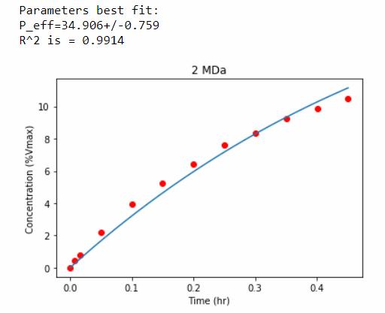
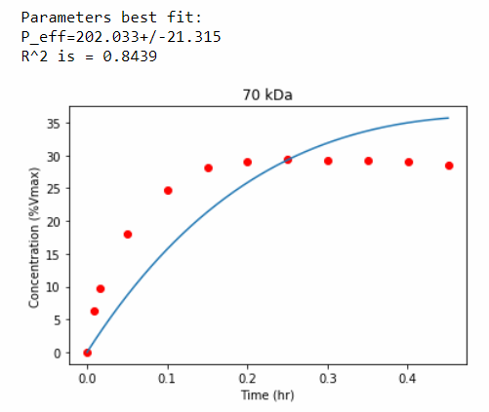
 |  |  |  |  |  |  |  |  |  | (error bars blocked by legend)

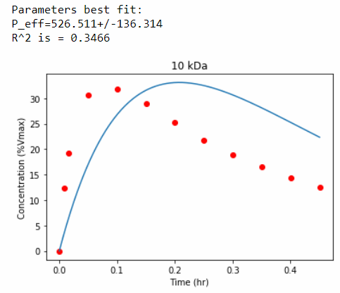
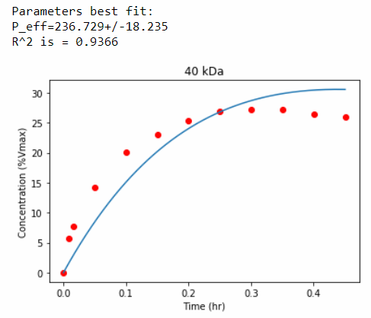

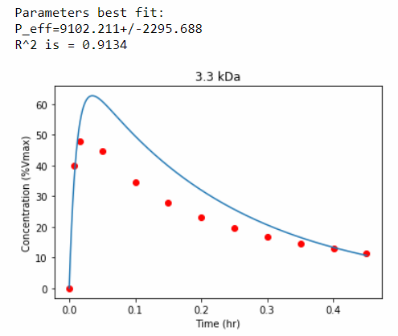

 | Peff by my model |  |  |  | Papp by paper
Dextran MW | (um/hr) | (cm/s) | cm/s x 10^-7 |  | (cm/s x 10^-7) | my model / paper value
2 Mda | 35 | 9.70E-07 | 10 |  | 1.7 | 5.7
70 kDa | 202 | 5.61E-06 | 56 |  | 9.8 | 5.7
40 kDa | 237 | 6.58E-06 | 66 |  | 9.5 | 6.9
10 kDa | 527 | 1.46E-05 | 146 |  | 32 | 4.6
3.3 kDa | 9102 | 2.53E-04 | 2528 |  | 154 | 16.4
 | SD
 | 0.76 | 2.11E-08 | 0.21 |  |  | generall off by ~6x, except the 3.3 kDa
 | 21 | 5.83E-07 | 5.8
 | 18 | 5.00E-07 | 5.0
 | 136 | 3.78E-06 | 38
 | 2295 | 6.38E-05 | 638

song, darr
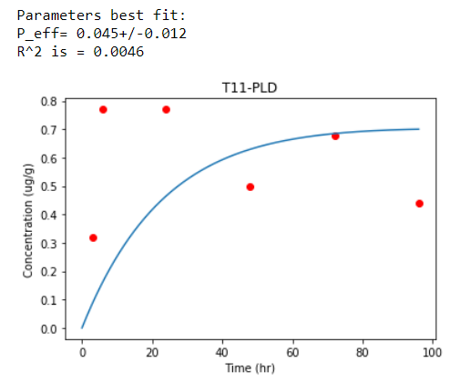
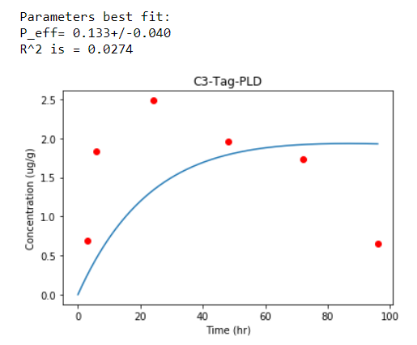
Song, Darr |  | PEG liposome DOX |  | GEMM & orthotopic breast tumor mouse models

 | Plasma ug/mL
 | C3-Tag-PLD encapsulated |  | T11-PLD encapsulated
exp | 0.041 |  | 0.042
Co | 66.786 |  | 69.41

 | Tumor ug/g
Time (hr) | C3-Tag-PLD | T11-PLD
3 | 0.6911 | 0.3184
6 | 1.829 | 0.77
24 | 2.485 | 0.77
48 | 1.966 | 0.4996
72 | 1.733 | 0.6787
96 | 0.6547 | 0.4404

Guo, Shi
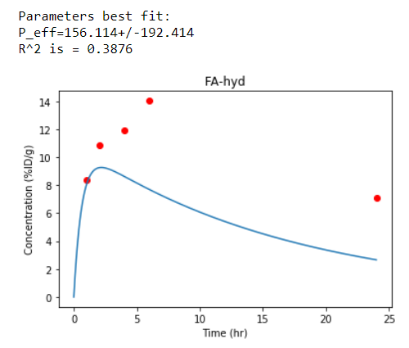
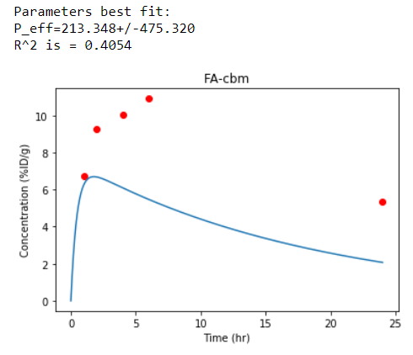
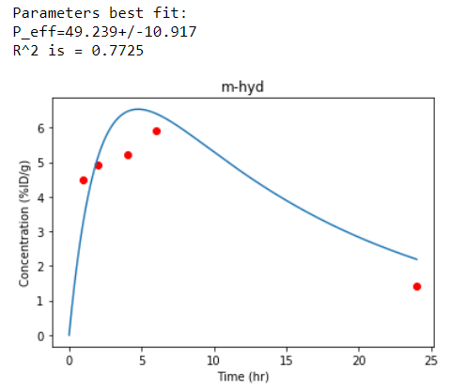
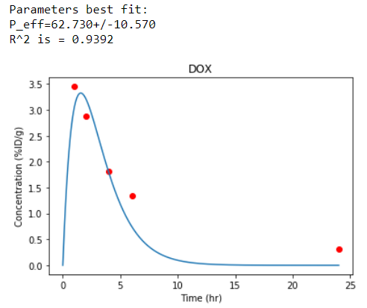
Guo, Shi |  | polymeric micelle (PEG-PCL) with conjugated DOX |  |  |  | 4T1 breast cancer -- SubQ in back of mice
 |  | Folic acid for tumor endocytosis |  |  | hyd = hydrazone
 |  |  |  |  | cbm = carbamate
Plasma PK
 | FA-hyd | FA-cbm | m-hyd | DOX
exp | 0.059 | 0.054 | 0.064 | 0.653
Co | 10.533 | 7.3691 | 8.859 | 9.2262

Tumor %ID/g |  |  |  |  |  |  | SD
T (hr) | FA-hyd | FA-cbm | m-hyd | DOX |  |  | FA-hyd | m-hyd
1 | 8.385 | 6.726 | 4.491 | 3.451 |  |  | 0.6065 | 0.3268
2 | 10.84 | 9.27 | 4.934 | 2.876 |  |  | 0.524 | 0.5738
4 | 11.95 | 10.04 | 5.221 | 1.814 |  |  | 0.626 | 0.2363
6 | 14.03 | 10.91 | 5.907 | 1.35 |  |  | 0.583 | 0.3581
24 | 7.102 | 5.376 | 1.416 | 0.3097 |  |  | 0.2234 | 0.1369

Mallinckrodt
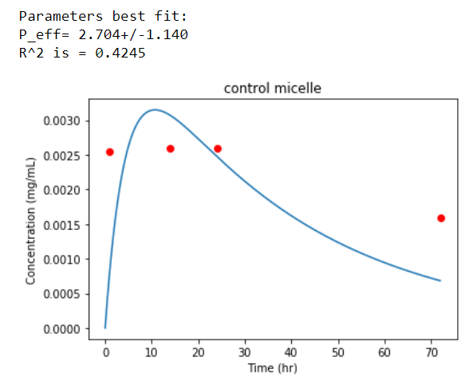
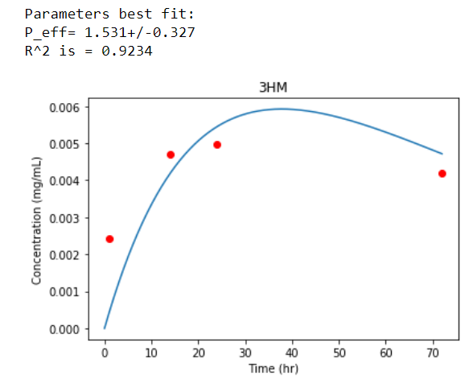
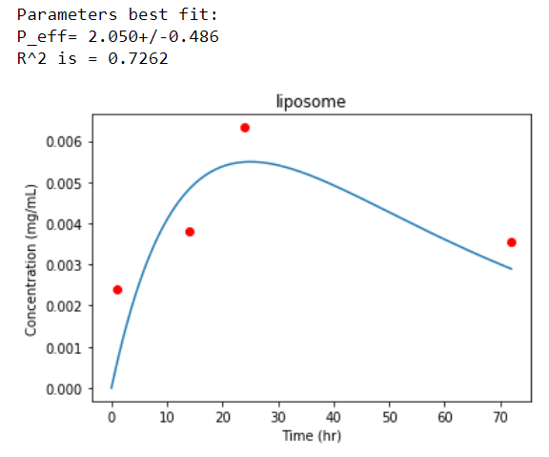
 |  |  |  |  |  |  |  |  |  | HT29 Colon
 |  |  |  |  |  |  |  |  |  | Mallincrodt
Mallinckrodt data |  |  | Injected dose: 5 mg/kg = 5 ug/g |  |  | Wt mouse = 25 g |  | Total dose | 125 | ug

PK in blood

 | control micelle | 3HM | liposome
exp | 0.225 | 0.042 | 0.069
Co | 0.035 | 0.029 | 0.0309

Tumor accumulation

 | T (hr) | control micelle | 3HM | liposome | mg/mL
 | 1 | 0.0025409836066 | 0.0024180327869 | 0.0023975409836 | 0.0003688525 | 0.00029713125 | 0
 | 14 | 0.0026024590164 | 0.0047131147541 | 0.0038114754098 | 0 | 0.000512295 | 0.00034836065625
 | 24 | 0.0026024590164 | 0.0049590163934 | 0.0063319672131 | 0.0001946725 | 0.00058401625 | 0.000409836065
 | 72 | 0.0015983606557 | 0.0042008196721 | 0.0035655737705 | 0.00017418 | 0.000512295 | 0.00060450819625

Ma, Sadoqi
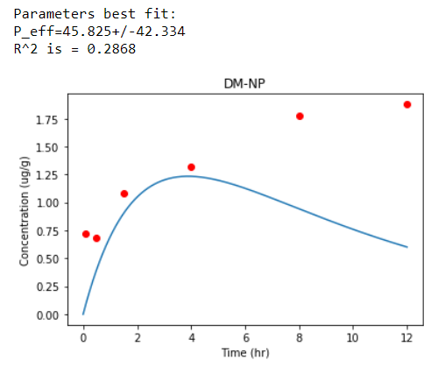
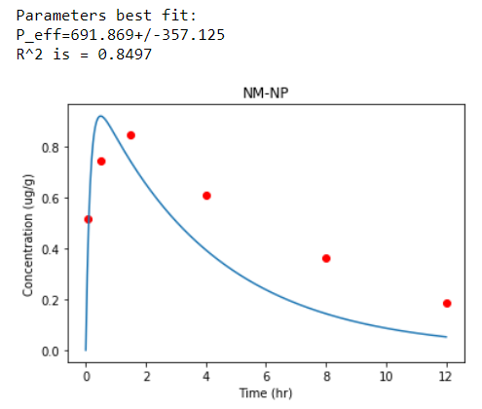
Ma, Sadoqi |  |  | PLGA nanoparticles with PEG and FA surface modification |  |  | DM = dual modified (PEG + FA)
 |  |  | MDA-MB-231 human breast cancer |  |  | NM = non modified

Plasma PK
 | DM-NP | NM-NP
exp | 0.126 | 0.253
Co | 2.0139 | 1.0419

Tumor ug/mL |  |  |  | SD
Time hr | DM-NP | NM-NP |  | DM-NP | NM-NP
0.08 | 0.7204 | 0.5172 |  | 0.11566 | 0.07451
0.5 | 0.6835 | 0.7451 |  | 0 | 0.08663
1.5 | 1.084 | 0.8436 |  | 0.1497 | 0.12858
4.0 | 1.324 | 0.6096 |  | 0.2037 | 0.08381
8.0 | 1.773 | 0.3633 |  | 0.2691 | 0
12.0 | 1.878 | 0.1847 |  | 0.2851 | 0

Lin, Chang
Lin, Chang |  | C-26 colon cancer sub-Q
 |  | liposome for vinorelbine (VNBL), or Dox (DXRL)

Plasma PK |  |  |  | Tumor (%IA/g)
 | InVNBL | ReDXRL | Time (hr) | InVNBL | ReDXRL
exp | 0.035 | 0.077 | 1 | 4.37 | 1.68
Co | 37.623 | 27.093 | 4 | 4.47 | 3.08
 |  |  | 24 | 25.3 | 3.19
 |  |  | 48 | 19.1 | 2.22
 |  |  | 72 | 15.8 | 1.06

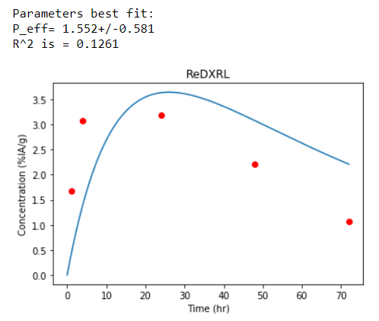
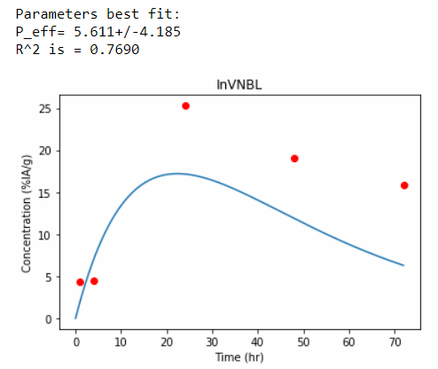

second fitting

Charrois, Allen
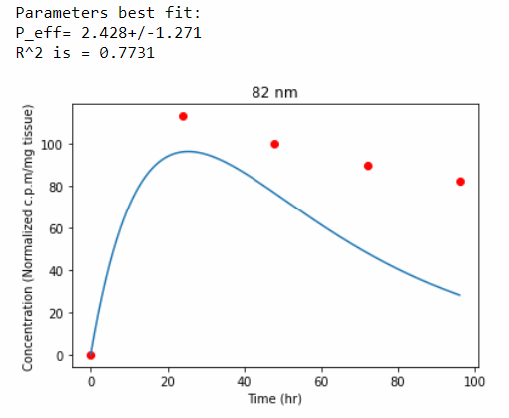
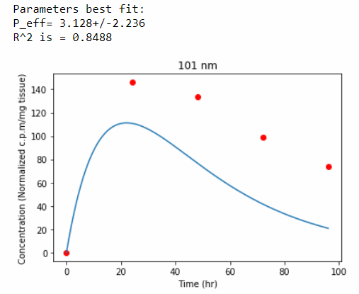
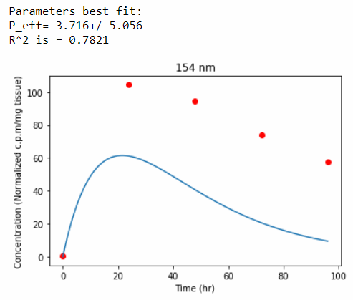
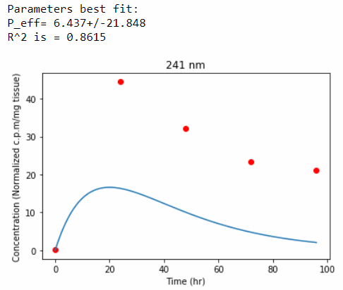
Charrois, Allen |  | Stealth liposomes various diameters
 |  | 4T1 breast cancer, orthotopic (mammary fat pad)

Plasma PK
 | 82 nm | 101 nm | 154 nm | 241 nm
exp | 0.06 | 0.063 | 0.057 | 0.038
Co | 440.98 | 446.96 | 210.16 | 35.547

Tumor accumulation
 | Normalized | c.p.m/mg | tissue
Time (hr) | 82 nm | 101 nm | 154 nm | 241 nm
0 | 0.22 | 0.22 | 0.45 | 0.22
24 | 113.26 | 146.07 | 104.49 | 44.49
48 | 100 | 133.71 | 94.61 | 32.13
72 | 89.89 | 98.88 | 73.71 | 23.37
96 | 82.7 | 74.16 | 57.53 | 21.12

Lee, Hoang
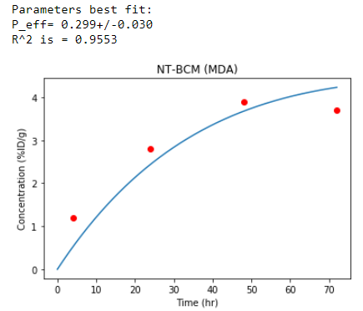
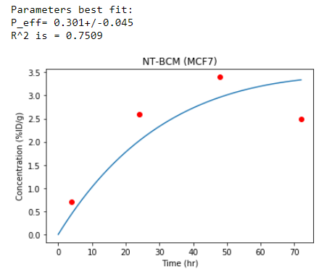
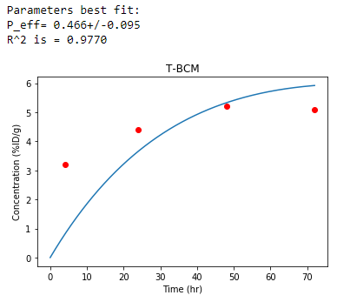

Lee, Hoang |  |  | 111Indium-PEG-PCL Block copolymer micelles |  |  |  | Targeted with EGF

Plasma PK
 | NT-BCM (MDA-MB-468) |  | NT-BCM (MCF-7) |  | T-BCM (MDA-MB-468) | T-BCM (MCF-7)
exp | 0.023 |  | 0.026 |  | 0.024 | 0.022
Co | 45.956 |  | 39.095 |  | 45.762 | 34.291

From authors:
Average
 | MDA-MB-468 |  | MCF-7
Hours | NT-BCM | T-BCM | NT-BCM | T-BCM
4 | 1.2 | 3.2 | 0.7 | 0.2
24 | 2.8 | 4.4 | 2.6 | 2
48 | 3.9 | 5.2 | 3.4 | 3.8
72 | 3.7 | 5.1 | 2.5 | 2.9

SD
 | MDA-MB-468 |  | MCF-7
Hours | NT-BCM | T-BCM | NT-BCM | T-BCM
4 | 0.2 | 0.6 | 0.7 | 0.2
24 | 1.2 | 0.5 | 1.2 | 0.8
48 | 1 | 1 | 0.9 | 1.4
72 | 0.9 | 1.1 | 0.6 | 1.1

Black, Wang




Black, Wang |  |  |  |  | EMT6 murine mammary carcinoma -- mice flank
(Mallinckrodt) |  |  |  |  | Gold nanostructures

Plasma PK
 | Nanospheres | Nanodisks | Nanorods | Nanocages
exp | 0.056 | 0.158 | 0.504 | 0.128
Co | 41.791 | 22.712 | 19.096 | 23.332

 | Tumor %ID/g |  |  |  |  | SD
 | Nanospheres | Nanodisks | Nanorods | Nanocages |  | Nanospheres | Nanodisks | Nanorods | Nanocages
1 | 2.16 | 1.44 | 1.62 | 1.17 |  | 0.9427 | 0.4001 | 0.6147 | 0.1966
6 | 11.52 | 4.29 | 1.07 | 4.73 |  | 2.072 | 0.5911 | 0 | 0.1511
24 | 23.26 | 4.58 | 1.82 | 7.52 |  | 3.906 | 0.1433 | 0.9452 | 0.8936

Koizumi, Kitagawa
Koizumi Kitagawa |  | Human colorectal cancer HT-29 cells were grown as s.c. tumor in the flank of the mice.
 |  | SN38

Plasma PK |  | Tumor accumulation
 |  |  |  | ug/g tissue
exp | 0.115 |  | T (hr) | Tumor
Co | 655.13 |  | 0.25 | 4.96
 |  |  | 1 | 8.03
 |  |  | 6.5 | 13.45
 |  |  | 24 | 10.12
 |  |  | 48 | 6.04
 |  |  | 72 | 4.96
 |  |  | 168 | 3.54





If fitted only up to 48hr

Zhang,Mastorakos

Zhang, Mastorakos |  | 9L gliosarcoma maintained in flanks, implanted intracranially --> 9L was once spontaneous tumor in rats after MNU administration (Barth & Kaul Neurooncol 2010)
 |  | Hydroxyl-terminated generation 4 poly(amidoamine) (PAMAM G4-OH) dendrimer is |  |  |  | ~4 nm | (ζ-potential: +4.5 ± 0.1 mV

Plasma PK |  |  | Tumor Accumulation
 |  |  |  |  | ug/g
exp | 0.088 |  |  | hr | Tumor
Co | 30.073 |  |  | 0.2 | 0.24
 |  |  |  | 0.99 | 0.39
 |  |  |  | 3.97 | 0.35
 |  |  |  | 7.99 | 0.68
 |  |  |  | 24.03 | 0.41
 |  |  |  | 48.06 | 0.21

Meyers, Cheng

Meyers, Cheng |  | epidermal growth factor peptide-targeted gold nanoparticles (EGF pep -Au NPs) |  | photodynamic therapy (PDT) agents, specifically Pc 4,
 |  | Rat glioma 9L.E29 cancer -- subQ
 |  | size found in a related paper (Cheng, Small 2011)

Plasma PK |  | Tumor Accumulation
 |  |  | %ID/g
exp | 0.06 | t(hr) | tumor
Co | 23.524 | 4 | 3.23
 |  | 24 | 4.78
 |  | 168 | 1.91

Liu, Cai
Authors |  | Carbon nanotubes |  | what is control tumor? |  |  | size?
Liu, Cai |  | U87 subQ |  | what is blocking?

Plasma PK
 | Blood %ID/g |  | Tumor %ID/g
Time (hr) | SWNT-PEG2000 | SWNT-PEG5400 | Time (hr) | SWNT-PEG2000 | Time (hr) | SWNT-PEG2000-RGD | Time (hr) | SWNT-PEG5400 | Time (hr) | SWNT-PEG5400-RGD | Time (hr) | SWNT-PEG5400-RGD, control tumor | Time (hr) | SWNT-PEG5400-RGD, blocking
0.14 | 35.52 | 28.53 | 0.5 | 1.26 | 0.5 | 1.67 | 0.41 | 1.3 | 0.48 | 4.71 | 0.51 | 1.75 | 0.48 | 2.76
0.81 | 13.33 | 31.05 | 1.88 | 1.8 | 1.95 | 3.03 | 1.66 | 2.69 | 2.17 | 9.3 | 1.86 | 2.13 | 1.78 | 4.26
1.31 | 6.62 | 19.39 | 6.08 | 2.62 | 6.16 | 4.14 | 5.71 | 3.97 | 6.01 | 12.02 | 6.17 | 3.09 | 5.68 | 5.2
2.08 | 4.57 | 11.47 | 19.14 | 3.03 | 18.83 | 4.67 | 17.5 | 4.24 | 17.5 | 13.3 | 17.73 | 3.03 | 17.35 | 4.87
4.19 | 1.96 | 5.5 | 24.58 | 2.7 | 24.35 | 4.87 | 23.64 | 4.37 | 24.46 | 13.32 | 23.39 | 3.12 | 23.44 | 4.57
6.16 | 1.12 | 3.17
19.5 | 0.65 | 1.21

exp | 0.561 | 0.411
Co | 23.929 | 34.57

without pegging intercepts
exp | 0.164 | 0.161
Co | 9.1888 | 19.335

IDEALLY USE BI-EXPONENTIAL FUNCTION



with pegging intercepts



without pegging intercepts

Cheng, Kothapalli



Authors |  |  | Nano Gold Tripods | tested witout and with RGD motif (blocked by c(RGDfC) as control)
Cheng, Kothapalli |  |  | U87 subQ
 |  |  | size of tripods without PEG by DLS (Table S3) = 10.2 +- 1.0 nm

Plasma PK
 | Tripod-RGD | Blocking | Tripods
exp | 0.044 | 0.041 | 0.027
Co | 17.901 | 17.117 | 9.393

 | Tumor (%ID/g)
Time (hr) | Tripod-RGD | Blocking | Tripods
1 | 4.99 | 3.01 | 2.01
4 | 7.56 | 3.45 | 2.64
24 | 7.95 | 3.9 | 2.61
48 | 7.38 | 3.8 | 2.12

Kuroda Kuratsu

Authors |  | NK012 glioblastoma
Kuroda Kuratsu
Int J of Cancer 2009
From Table II
Plasma PK

exponent | 0.0735
C0 | 1096

Tumor accumulation
VALUES FROM TABLE II -- "NK012 FREE SN-38" = 'SN-38 released from NK012 or converted from CPT-11'
Time (hr) | tumor (ng/g)
2 | 67.7
12 | 84.1
24 | 137
72 | 24.6

Wong, Ormsby
Wong Ormsby |  |  | Kathy's group paper | 27 | mg lipid/kg IV injected
 | Cu 64 liposomes |  | MET1 mammary carcinoma -- orthotopic | 15 - 25 mg mice --> assume 20 mg average |  | 0.02 | kg | estimate blood vol | 1.17 | mL
 |  |  |  | 0.54 | mg dose |  |  | (58.5 mL/kg. Ref: | https://www.nc3rs.org.uk/mouse-decision-tree-blood-sampling
 |  |  |  | 0.46153846154 | mg/mL est initial conc


Plasma PK

exp | 0.04597
C0 | 56.05582

Tumor accumulation
 | %iD/g tissue
Time (h) | Tumor | error
6 | 7.6 | 0.9
24 | 12.1 | 1.1
48 | 18.9 | 1.2

Medina, Atti
Authors |  |  | Orthotopic 4T1 breast xenograft |  |  | 15-20 g mice
Medina, Atti |  |  | Liposomes labeled with Zr89 by click chemistry (CLL) or chelator (SCL) |  |  | average | 20 | g BW | 0.02 | kg
 |  |  |  |  |  | estimate blood vol |  | 1.17 | mL
 |  |  |  |  |  | (58.5 mL/kg. Ref: |  | https://www.nc3rs.org.uk/mouse-decision-tree-blood-sampling
Plasma PK |  |  |  |  |  | Assume initial %ID/g |  | 85.47008547
 |  |  |  |  |  | 0.65 MBq, 0.4-0.6 umol lipid, in 200 uL PBS
exp | 0.069 | 0.063

C0 | 45.607 | 8.6707

Tumor accumulation
From Supplemental Table 1 & 2
 | %iD/g tissue
 | Tumor |  | Tumor SD
Time (h) | Zr SCL | Zr-CLL | Time (h) | Zr-SCL | Zr-CLL
2 | 3.29 | 1.23 | 2 | 1.11 | 0.26
24 | 13.7 | 2 | 24 | 1.84 | 0.15
48 | 7.88 | 1.73 | 48 | 1.16 | 0.19

 |  | Makes sense that the permeabilities are similar
 |  | the only difference in accumulation is from the plasma PK profile

Miyajima, Nakamura


Authors |  |  | colon C26 subcutaneous |  | 500 g lipid/ 200 uL
Miyajima, Nakamura |  |  | Transferrin loaded nido-carborane liposomes |  | 20-25 g mice

Plasma PK

 | Tf(-)-PEG-CL liposome | Tf(+)-PEG-CL liposome
exp | 0.06 | 0.05
C0 | 19.865 | 22.424

Tumor accumulation
 | %iD/g tissue |  | SD
T (hr) | Tf(-)-PEG-CL liposome | Tf(+)-PEG-CL liposome | Tf(+)-PEG-CL liposome | Tf(-)-PEG-CL liposome
1 | 1.1972555746 | 0.82344590998 | 0.22338 | 0.2652
6 | 1.9307978944 | 2.9025847282 | 0.4467 | 0
24 | 1.8356893594 | 2.302833146 | 0.1047 | 0.2234
48 |  | 2.7554267463 | 0.2722
72 | 1.2825456911 | 3.8992133436 | 0.705 | 0

Tsai, Chang



Authors |  |  | C26 colon peritoneal metastatic carcinoma- bearing mice (22–26 g, average weight 24.6 g)
Tsai, Chang | 188Re-liposome


Plasma PK
exp | 0.052
C0 | 46.909

Tumor Accumulation
 | %iD/cc
Time (h) | Primary tumor | metastases-1 | metastases-2 | metastases-3
1 | 5.05 | 4.92 | 4.8 | 5.51
4 | 7.23 | 8.49 | 3.4 | 7.75
16 | 7.36 | 7.88 | 6.51 | 5.02
24 | 7.91 | 8.67 | 3.69 | 7.41
48 | 3.26 | 3.35 | 1.77 | 0.68
72 | 0.85 | 0.85 | 1.06 | 0.76

Pathak, Kumar


Authors |  |  |  | Ehrlich ascites tumor (EAT) (spontaneous murine mammary adenocarcinoma) subQ in 25-30g mice |  |  |  | 99mTc-labeled pDNA (15 ug)/PEI (1.5 ug)
Pathak,Kumar |  |  |  | Branched PEI with and without chondroitin sulfate for pDNA delivery |  |  |  | 99mTc- labeled pDNA (15 ug)/CP-3 nanoplex (10 ug) complex

Plasma PK |  |  | Tumor Accumulation

 | pDNA/PEI | pDNA/CP-3 |  | %iD/g
exp | 0.122 | 0.046 |  | tumor
Co | 5.602 | 2.48 | Time (h) | pDNA/PEI | error | pDNA/CP-3 | error
 |  |  | 1 | 0.23 | 0.05 | 1.025 | 0.81
 |  |  | 3 | 0.34 | 0.04 | 1.52 | 0.18
 |  |  | 6 | 0.41 | 0.07 | 1.96 | 0.56
 |  |  | 24 | 0.15 | 0.03 | 1.17 | 0.37

 | For fitting

Hong, Zhang




Authors |  | 4T1 subQ breast tumor -- nano-graphene |  | TRC105, a human/murine chimeric IgG1 monoclonal antibody
Hong, Zhang | (Weibo Cai group) | 5e10 MBq of 66Ga-NOTA-GO-TRC105 or 66Ga-NOTA-GO via tail

Plasma PK
 | 66Ga–NOTA–RGO–TRC105 | 66Ga–NOTA–RGO–TRC105 +Blocking | 66Ga–NOTA–RGO
exp | 0.057 | 0.059 | 0.057
Co | 10.952 | 5.3185 | 12.777

Tumor accumulation
 | %iD/g tissue
Time (h) | Tumor |  |  | SD | SD
 | 66Ga–NOTA–RGO–TRC105 | 66Ga–NOTA–RGO–TRC105 +Blocking | 66Ga–NOTA–RGO | RGO–TRC105 | RGO
0.5 | 3.8495575221 | 1.3274336283 | 2.9203539823 | 0.3696 | 0.3704
3 | 4.4690265487 | 1.5486725664 | 3.185840708 | 0.3696 | 0.4013
7 | 5.8407079646 | 1.017699115 | 3.7168141593 | 0.2772 | 0.3086
24 | 4.4690265487 | 1.2389380531 | 2.8761061947 | 0.308 | 0.2778

Guo,Hong



Authors |  |  | 4T1 breast tumor sub-Q
Guo,Hong |  |  | PAMAM-PLA-PEG BCP micelles with DOX
(Weibo Cai group)

Plasma PK
exp | 0.047 |  | 0.058
Co | 8.9629 |  | 8.6991

tumor accumulation
 | %iD/g
Time (h) | 64 Cu-labeled targeted micelles | 64 Cu-labeled targeted micelles +blocking | 64 Cu-labeled nontargeted micelles | SD | SD
0.5 | 4.479638009 | 3.1221719457 | 2.6877828054 | targeted | nontargeted
2 | 5.5113122172 | 3.7466063348 | 3.0678733032 | 0.5985 | 0.2899
5 | 5.6470588235 | 2.9864253394 | 3.0950226244 | 0.2493 | 0.3382
16 | 4.4524886878 | 2.6877828054 | 2.3891402715 | 0 | 0.628
24 | 4.2624434389 | 2.4162895928 | 1.9547511312 | 0.1995 | 0.4831
48 | 2.9321266968 | 1.9547511312 | 2.1176470588 | 0 | 0.2898
 |  |  |  | 0 | 0.6763

Hong, Yang




Authors |  |  | 4T1 breast tumor sub-Q
Hong, Yang | (Weibo Cai group) |  | Ab-conjugated nanographene

 |  |  |  | Tumor Accumulation
Plasma PK |  |  |  |  | %iD/g tissue
 | Cu-NOTA-GO-TRC | Cu-NOTA-GO-TRC105+Blocking | Cu-NOTA-GO | Time (h) | Cu-NOTA-GO-TRC | Cu-NOTA-GO-TRC105+Blocking | Cu-NOTA-GO
exp | 0.019 | 0.022 | 0.029 | 0.5 | 5.8260869565 | 5.8260869565 | 2.0217391304
Co | 8.7169 | 9.564 | 10.739 | 3 | 5.347826087 | 5.347826087 | 2.1086956522
 |  |  |  | 16 | 4.5434782609 | 4.5434782609 | 1.9130434783
 |  |  |  | 24 | 4 | 4 | 2.2173913043
 |  |  |  | 48 | 3.4565217391 | 3.4565217391 | 2.3695652174
 |  |  |  | Data seems to be non promising since tumor levels are immediately high and stay level or taper off

Chen, Zhang


Authors:
Chen, Zhang

Plasma PK
 | doxorubicin (DOX) and paclitaxel | drug loaded micelle + (with pluronic 127)
exp | 0.259 | 0.247
Co | 1.357 | 0.7467

tumor Accumulation
 | ug/g tissue
Time (h) | doxorubicin (DOX) and paclitaxel | drug loaded micelle + (with pluronic 127)
0.5 | 1.2619047619 | 1.2380952381
1 | 1.1428571429 | 1.4047619048
3 | 0.66666666667 | 1.8571428571
5 | 0.45238095238 | 1.2142857143
9 | 0.33333333333 | 0.57142857143
24 | 0.19047619048 | 0.2380952381
48 | 0.071428571429 | 0.11904761905

